Introduction
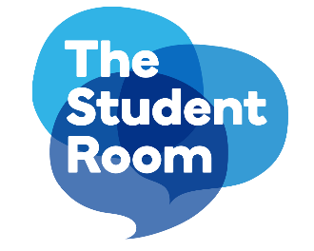

University of Birmingham Theology and Religious Studies Survey Raw data V2 5th July 2021

Background The University of Birmingham commissioned TSR Insight to conduct an online survey with prospective undergraduate members of The Student Room community exploring interest in RS and Theology. The raw data from the survey will be analysed internally by the University of Birmingham

Methodology Online survey via The Student Room Community The target audience was members of The Student Room Community in Years 11, 12 and 13 Fieldwork between the 21st June and 4th July 2021 Questions were optional

Raw data - completes | Responses where respondents reached the end of the survey
Raw data- complete and partial | All responses including those where respondents didn’t reach the end of the survey

